Cover Page
Hansen Technologies Limited - Sustainability Databook and GRI & SASB Indices

Statement of Use

 | This Hansen Sustainability Databook summarises Environmental, Social and Governance (ESG) data and metrics and forms part of Hansen’s annual sustainability reporting suite.

 | Unless otherwise stated, this Sustainability Databook covers the period from 1 July 2025 to 30 June 2026. Where presented, prior‑year comparative information relates to the corresponding financial periods and may be adjusted to reflect refinements in methodologies, definitions or data availability.

 | Sustainability data and metrics relate to Hansen’s global operations unless otherwise noted.

 | All amounts are expressed in Australian dollars unless another currency is indicated.

 | This Databook is intended to be read in conjunction with Hansen’s annual report and ASX market releases.

 | This Sustainability Databook supports Hansen’s climate‑related disclosures prepared with reference to AASB S2-aligned climate‑related disclosures as part of Hansen’s broader program to build governance, systems, data and assurance readiness ahead of mandatory application.

Disclaimers

 | We provide the information in this Sustainability Databook on an unaudited basis to increase transparency around Hansen’s ESG performance.

 | Sustainability and ESG metrics are subject to ongoing refinement and may evolve as definitions, methodologies and data collection processes are enhanced.

 | These disclosures are made on a voluntary basis for FY26 and have been prepared having regard to ASIC Regulatory Guide 280 and the principle of proportionate and pragmatic application of emerging sustainability reporting requirements.

 | Sustainability information is inherently dynamic and, while Hansen strives for accuracy and timeliness, data and methodologies may change as new information becomes available and may be revised in future reports.

 | Nothing in this Sustainability Databook should be construed as an assurance conclusion.

 | Unless otherwise stated, the information in this Sustainability Databook has not been subject to external assurance or audit.

 | For the purposes of AASB S2‑aligned climate-related reporting, the climate‑related information in this Databook is intended to support disclosure of material climate‑related risks and opportunities that could reasonably be expected to affect the entity’s prospects and is primarily prepared for the information needs of existing and potential investors, lenders and other creditors.

 | All information contained in this Sustainability Databook and adjoining indices should be read in conjunction with Hansen’s financial reports and ASX market releases.

Supporting Links

 | Hansen Technologies — Power The Next (hansencx.com)

 | Hansen Investor Relations — Hansen Technologies (hansencx.com)

 | Financial Reports & Presentations — Hansen Technologies (hansencx.com)

 | Corporate Sustainability — Hansen Technologies (hansencx.com)

Awards and recognition
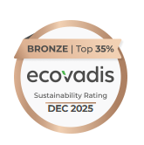
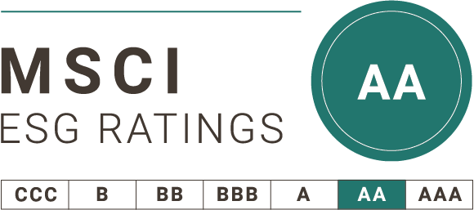
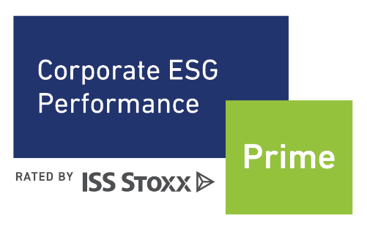

 | The use by Hansen of any MSCI ESG Research LLC or its affiliates (“MSCI”) data, and the use of MSCI logos, trademarks, service marks or index names herein, do not constitute a sponsorship, endorsement, recommendation, or promotion of Hansen Technologies by MSCI. MSCI services and data are the property of MSCI or its information providers, and are provided ‘as-is’ and without warranty. MSCI names and logos are trademarks or service marks of MSCI.

